F. Roof
 |  |  | From NRCC |  |  | user Input |  | Calculated

Roof Insulation
01 |  | 02 | 03 | 04 |  | 05
Tag/Plan Detail ID |  | Assembly/ Framing Type | Cavity Insulation R-Value | Continuous Insulation R-Value |  | Assembly Compliance
Per NRCC | Fframed02_RoofAssemblyName FSIPS02_RoofAssemblyName Fspan02_RoofAssemblyName Fmetalp02_RoofAssemblyName Fmetalb02_RoofAssemblyName | F01Framed_RoofTypeApplies F01SIPS_RoofTypeApplies F01Span_RoofTypeApplies F01Metal_RoofTypeApplies F01MetalBldg_RoofTypeApplies | Fframed11_CavityInsulationNR Fframed11_CavityInsulationOther Fframed11_NotApplicableMessage FSIPS11_CoreInsulation FSIPS11_CoreInsulationOther FSIPS11_NotApplicableMessage Fmetalb10_CavityInsulationNR Fmetalb10_CavityInsulationOther Fmetalb10_NotApplicableMessage | Fframed12_ContinuousInsulationNR Fframed12_ContinuousInsulationOther Fframed12_NotApplicableMessage FSIPS12_ContinuousInsulationNR FSIPS12_ContinuousInsulationOther FSIPS12_NotApplicableMessage Fspan11_ContinuousInsulationNR Fspan11_ContinuousInsulationOther Fspan11_NotApplicableMessage Fmetalb11_ContinuousInsulationNR Fmetalb11_ContinuousInsulationOther Fmetalb11_NotApplicableMessage |  |  |  |  | NRCC-PRF
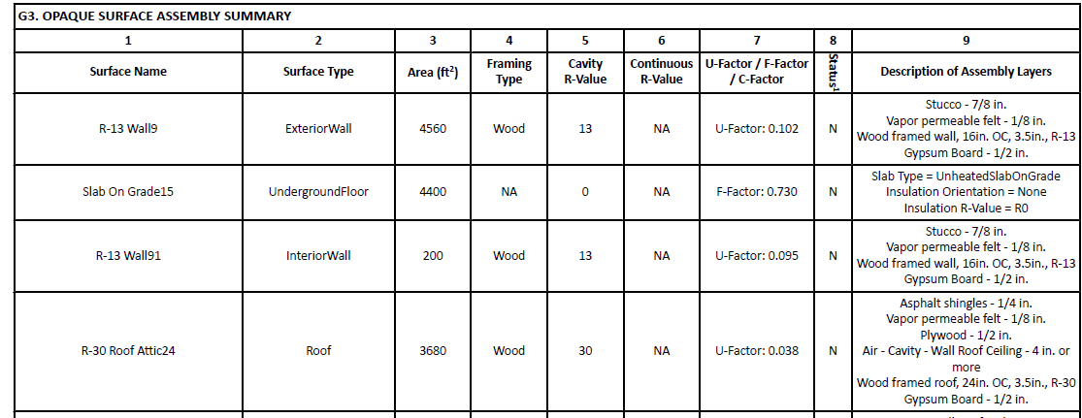
As-built Conditions |  | true/false in UI

Scroll down for Roof Surface subtable

Roof Surface Material
01 |  | 02 | 03 | 04 |  | 05 | 06
Tag/Plan Detail ID |  | Roof Material | Roof Slope | Material Performance Specifications |  | Cool Roof Rating Council Certification # | Assembly Compliance
Per NRCC | G01_RoofAssemblyName PRF SCHEMA TERMS BELOW: CRRC01_RoofAssemblyName | G06_RoofProductType PRF SCHEMA TERM NOT AVAILABLE | G05_RoofSlope PRF SCHEMA TERMS BELOW: CRRC02_RoofSlope | Reflectance | G09a_SolarReflectanceAged G09a_NotApplicableMessage PRF SCHEMA TERMS BELOW: CRRC03_SolarReflectanceAged
 |  |  |  | Emittance | G09b_ThermalEmittance G09b_NotApplicableMessage PRF SCHEMA TERMS BELOW: CRRC04_ThermalEmittance
 |  |  |  | SRI | G09c_SolarReflectanceIndex G09c_NotApplicableMessage PRF SCHEMA TERMS BELOW: CRRC05_SolarReflectanceIndex
As-built Conditions |  | dropdown | true/false in UI | Reflectance
 |  |  |  | Emittance
 |  |  |  | SRI

 |  | Material Dropdown
 |  | To Be Determined
 |  | Asphalt Shingle
 |  | Aggregate or Ballast
 |  | Bitumen
 |  | Field-Applied Coating
 |  | Fluid-Applied Membrane
 |  | Metal
 |  | Metal Shake or Shingle
 |  | Paver
 |  | Polymer or Composite
 |  | Single-Ply
 |  | Spray Polyurethane Foam
 |  | Tile or Slate
 |  | Wood
 |  | Metal Building

F. Doors
Exterior Doors |  |  |  |  |  | NRCC-PRF
01 |  | 02 | 03 | 04 | 05
Tag/Plan Detail ID |  | Door Type | Door Insulation | U-factor | Compliance
Per NRCC | J01_DoorName PRF SCHEMA TERM BELOW: Door01_ConstructionAssemblyNameString | J04_DoorOperation PRF SCHEMA TERM NOT AVAILABLE | J05_DoorConstructionType PRF SCHEMA TERM NOT AVAILABLE | J07_UfactorJA451 PRF SCHEMA TERM BELOW: Door04_Ufactor
As-built Conditions |  | dropdown | dropdown

 |  | Type Dropdown | Insulation Dropdown
 |  | Swinging | Uninsulated single-layer metal
 |  | Non-swinging | Uninsulated double-layer metal |  |  | CBECC-Com inputs:
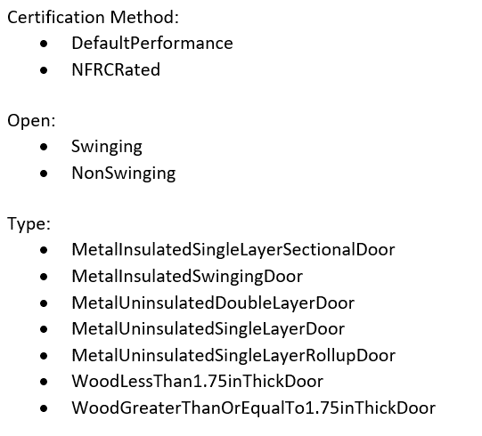
 |  |  | Insulated metal swing doors
 |  |  | Wood doors >= 1 3/4"
 |  |  | Any other wood door
 |  |  | Uninsulated single-layer metal roll up door
 |  |  | Insulated single layer metal sectional doors with EPS
 |  |  | NFRC rated

F. Fenestration
 |  |  | Input from NRCC |  |  | UI/Installer Input |  |  | Calculated
 |  |  |  |  |  |  |  |  |  | NRCC-PRF
Vertical Fenestration, Skylights, and Glazed Doors
01 |  | 02 | 03 | 04 | 05 | 06 |  | 07 | 08
Tag/Plan Detail ID |  | Fenestration Type | Calculation Method | Area (ft²) | Frame Type | Product Performance per Design |  | National Fenestration Rating Council (NFRC) Certification ID #1 | Assembly Compliance
Per NRCC | Kvertperf04_FenestrationName Kskyperf04_SkylightName PRF SCHEMA TERM BELOW: Fen01_FenestrationName | Kvertperf05_FenestrationProductType Kskyperf05_FenestrationProductType PRF SCHEMA TERM BELOW: Fen02a_FenestrationType NOTE - THIS CELL CONTAINS THE FENESTRAION TYPE, PRODUCT TYPE AND FRAME TYPE SO WE WILL NEED TO PARSE OUT FENSTRATION TYPE IF POSSIBLE? | Kvertperf09_FenestrationComplianceCalc Kvertperf09_NotApplicableMessage Kskyperf07_FenestrationComplianceCalc Kskyperf07_NotApplicableMessage PRF SCHEMA TERMS BELOW: Fen03_FenestrationCertificationMethod | PRESCRIPTIVE AREA PER ASSEMBLY NOT AVAILABLE PRF SCHEMA TERMS BELOW: | Kvertperf15_FenestrationFramingNR Kvertperf22_FenestrationFramingNR Kskyperf13_FenestrationFramingNR Kskyperf18_FenestrationFramingNR PRF SCHEMA TERMS BELOW: Fen02a_FenestrationType NOTE - THIS CELL CONTAINS THE FENESTRATION TYPE, PRODUCT TYPE AND FRAME TYPE SO WE WILL NEED TO PARSE OUT FRAME TYPE IF POSSIBLE? | U-factor | Kvertperf12a_Ufactor Kvertperf12a_NotApplicableMessage Kvertperf19a_UfactorNA6 Kvertperf19a_NotApplicableMessage Kvertperf25a_Ufactor110Default Kvertperf25a_NotApplicableMessage Kskyperf11a_Ufactor PRF SCHEMA TERM BELOW: Fen06_FenestrationAssemblyUFactor Fen06_UFactorCenterOfGlass
 |  |  |  |  |  | (R)SHGC | Kvertperf12b_SHGC Kvertperf12b_NotApplicableMessage Kvertperf19b_SHGC_NA6 Kvertperf19b_NotApplicableMessage Kvertperf25b_SHGC_110Default Kvertperf25b_NotApplicableMessage Kskyperf11b_SHGC Kskyperf11b_NotApplicableMessage PRF SCHEMA TERM BELOW: Fen07_FenestrationAssemblySHGC Fen07_SHGC_CenterOfGlass
 |  |  |  |  |  | VT | Kvertperf12c_VT Kvertperf12c_NotApplicableMessage Kvertperf19c_VT_NA6 Kvertperf19c_NotApplicableMessage Kvertperf25c_VT_110Default Kvertperf25c_NotApplicableMessage Kskyperf11c_VT Kskyperf11c_NotApplicableMessage PRF SCHEMA TERM BELOW: Fen08_FenestrationAssemblyVT Fen08_VT_CenterOfGlass
As-built Conditions |  | dropdown | dropdown |  |  | U-factor
 |  |  |  |  |  | SHGC
 |  |  |  |  |  | VT
1 FOOTNOTE: Attach delivery receipt, purchase order, detailed receipt, or other product documentation that shows the NFRC Certification ID number for each product showing NFRC as the calculation method in column 03.
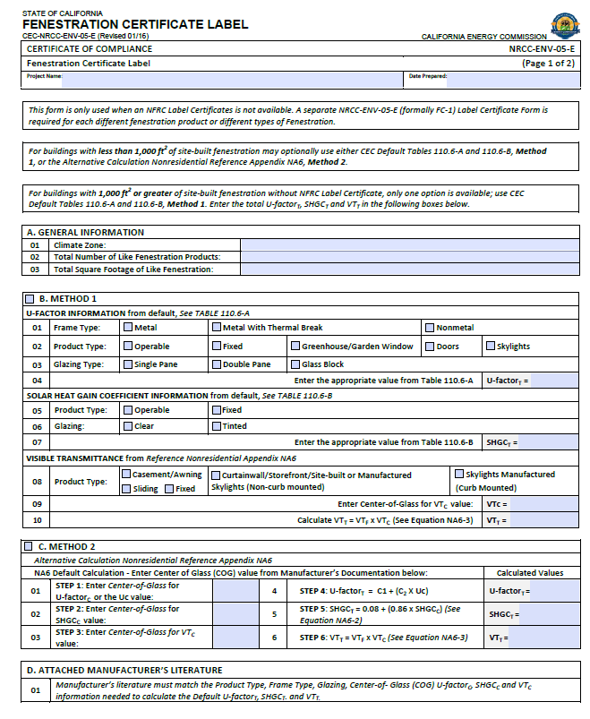
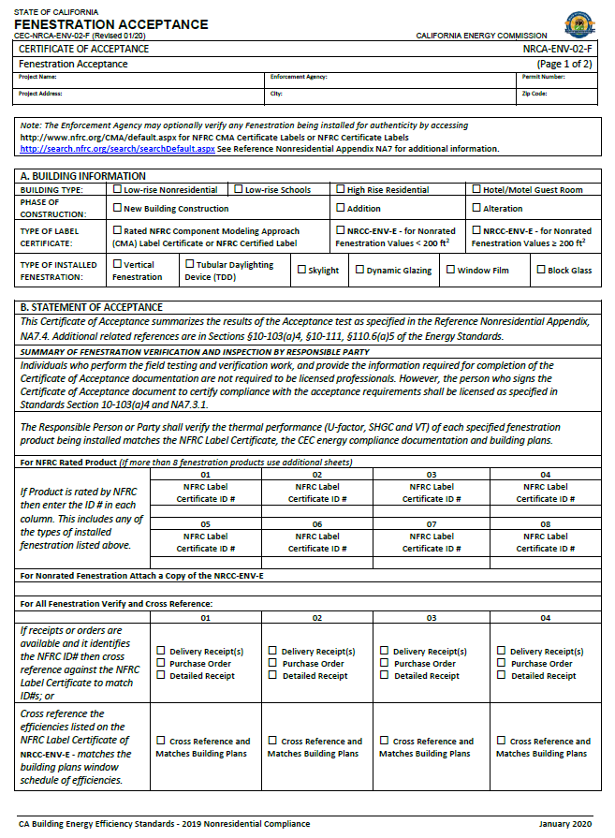
 |  | Type Dropdown | Calc Method Dropdown |  | Frame Type Dropdown
 |  | Fixed Window | NFRC Certified |  | Non-metal
 |  | Operable Window | NA6 Default (COG)2 |  | Metal
 |  | Storefront | §110.6 Defaults |  | Metal w Thermal Break
 |  | Curtain Wall | Energy Code defaults
 |  | Chromogenic Glazing
 |  | Fenestration in Demising Wall
 |  | Glazed Door
 |  | Glass, curb mounted
 |  | Glass, deck mounted
 |  | Plastic, curb mounted
 |  | Tubular Daylight Devices

Sig Block
